MVC Project Testing
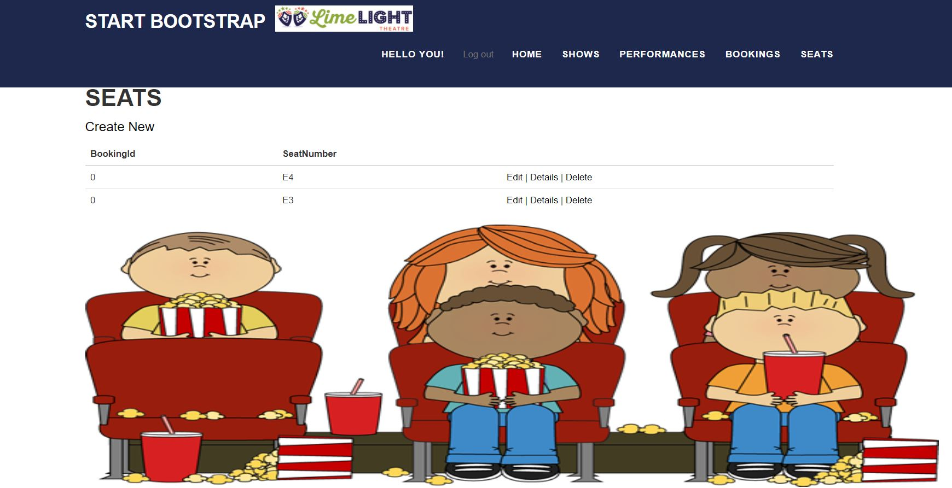
 |  |  | MVC Project Testing

Number | Pages Details |  | Excepted Opinion | Actual Opinion | Successful/Unsuccessful/Issues
1 | Home Page | = | Home Page Displayed | Home Page images and design Displayed | Successful
2 | Login Page | = | Login Page Displayed | Options Clickable | Successful
3 | Register Page | = | Register Page Displayed | Options Clickable | Successful
4 | Manage Account | = | Manage Account Displayed | Options Clickable | Successful
5 | Show Page | = | Show Page displayed | Buttions displayed | Successful
6 | Performance Page | = | Performance Page Displayed | Buttons Displayed | Successful
7 | Seat Page | = | Seat Page Displayed | Buttons Displayed | Successful
8 | Booking Page | = | Booking Page Displayed | Buttons Displayed | Successful

 |  |  | Responsiveness Desgin
1 | Home Page |  |  |  | Successful
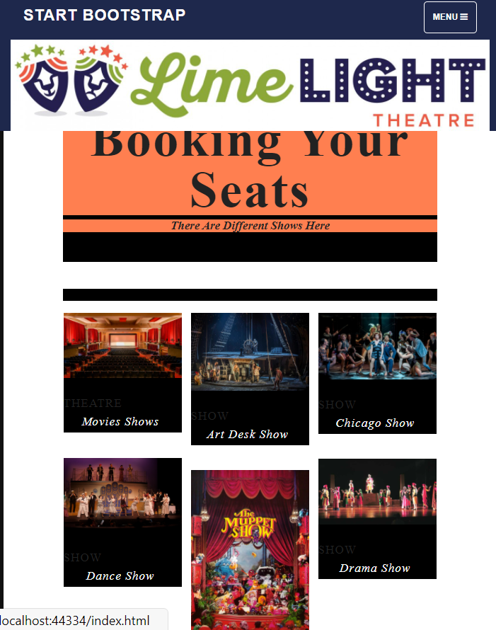

2 | Login Page |  |  |  | Successful

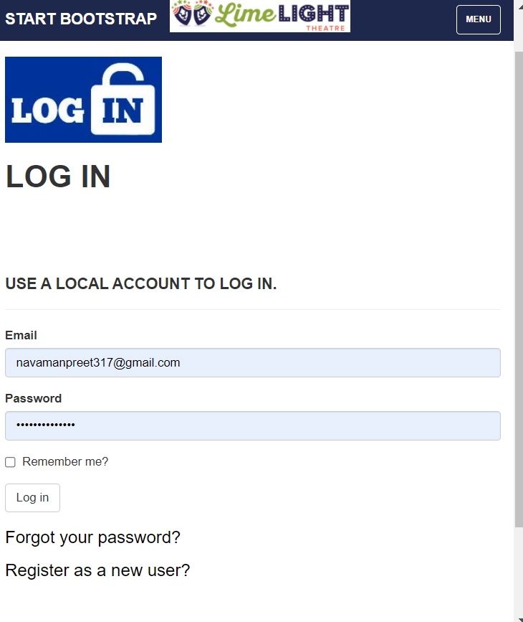

3 | Register Page |  |  |  | Successful
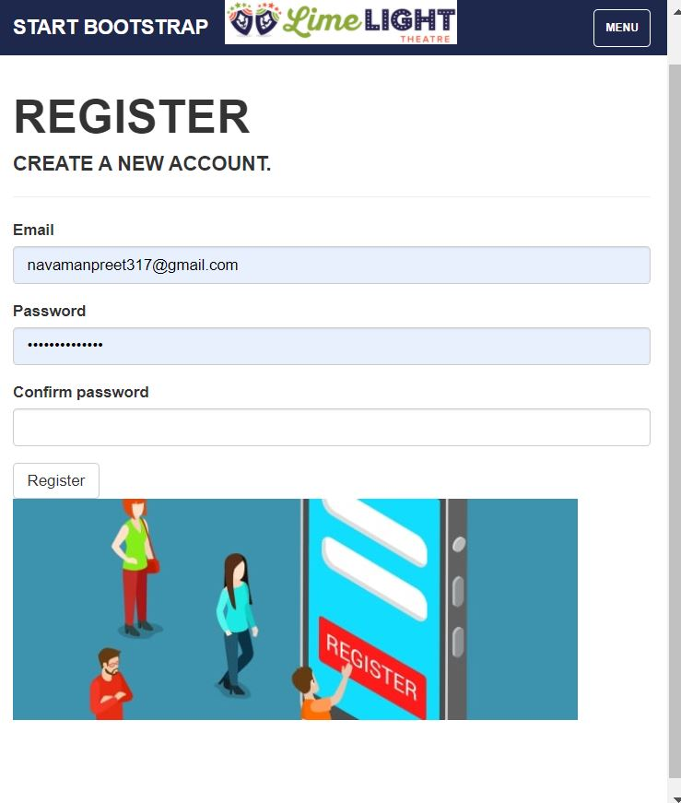

4 | Show Page |  |  |  | Successful
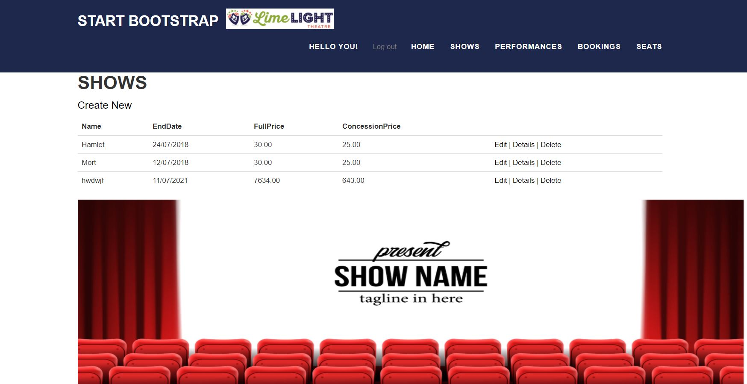

5 | Performance |  |  |  | Successful
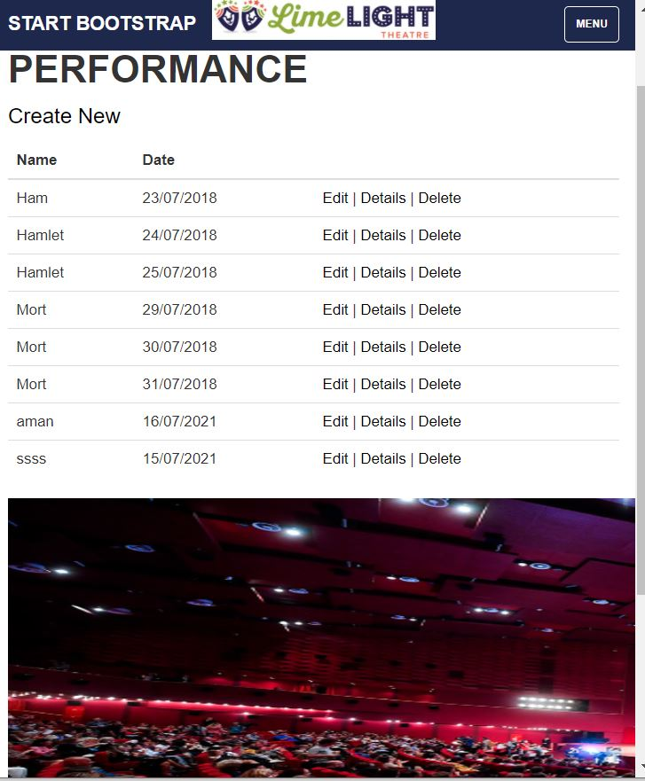

6 | Booking |  |  |  | Successful
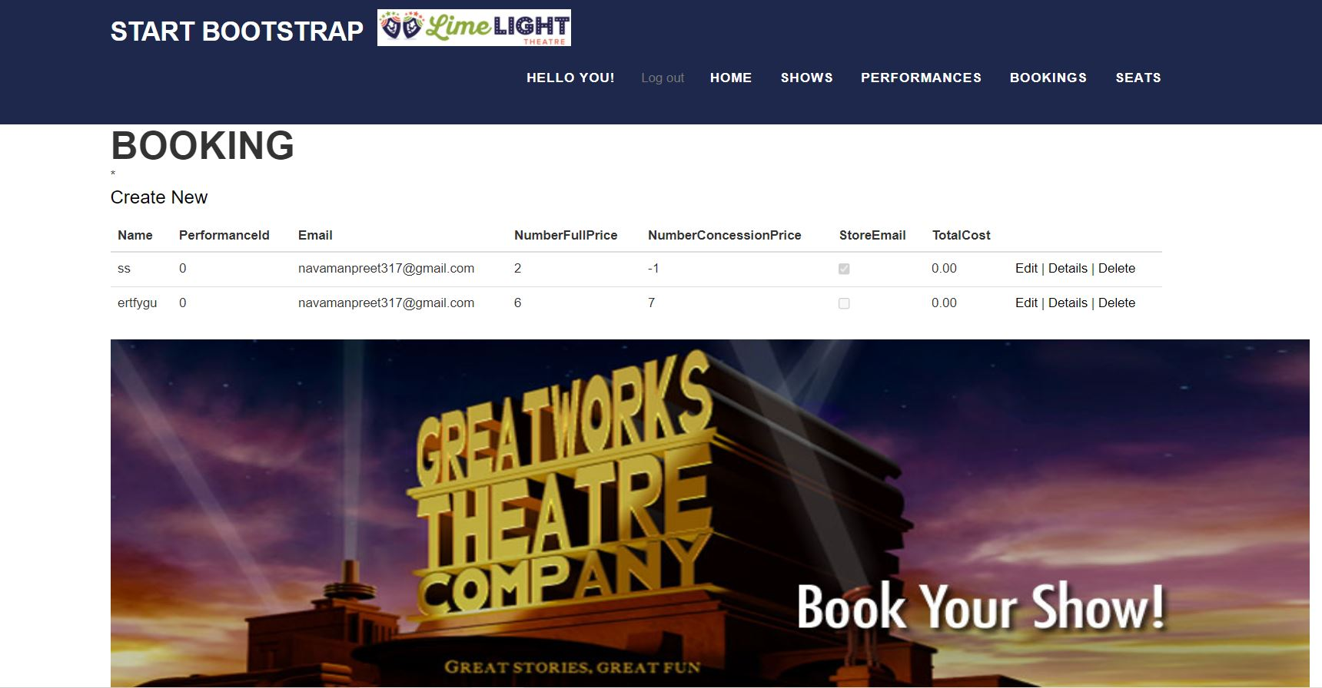

7 | Seat Page |  |  |  | Successful

